info
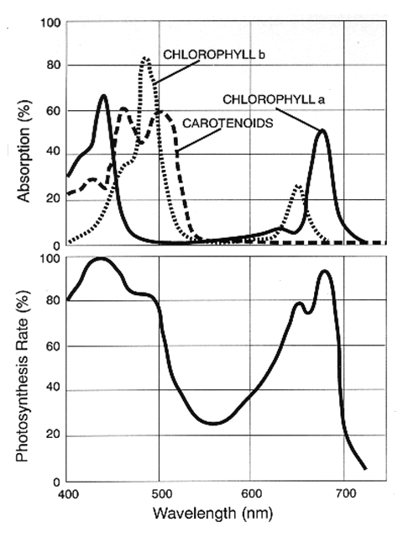
Data digitized from: https://upload.wikimedia.org/wikipedia/commons/7/72/Par_action_spectrum.gif (Fig- 5 in https://www.life.illinois.edu/govindjee/paper/gov.html)

